Fig.1
Figure 1. Field sports and court sports dominate Greater Sydney’s facility stock
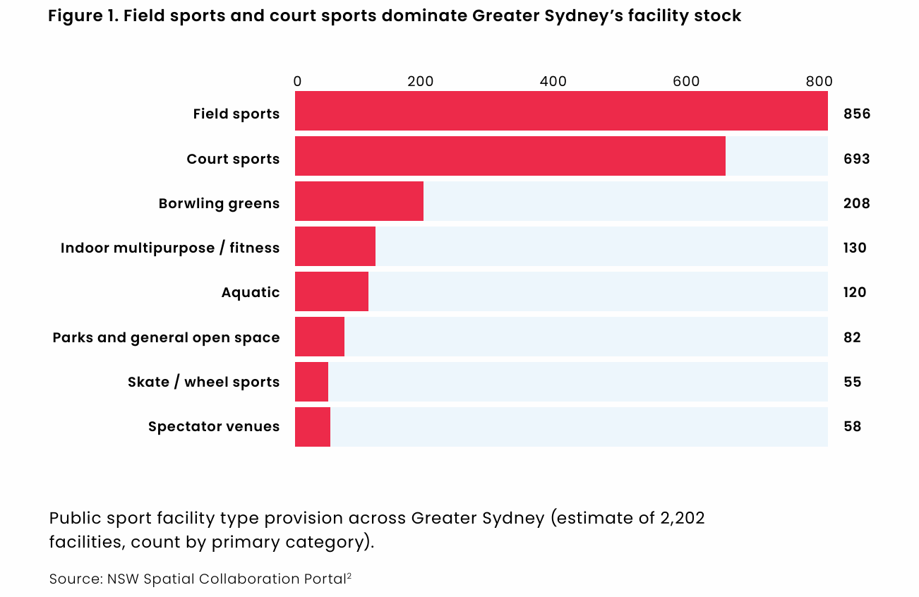
Year | Number of facility
Field Sports | 856
Court Sports | 693
Bowling Greens | 208
Indoor Multipurpose / Fitness | 130
Aquatic | 120
Parks & General Open Space | 82
Skate/Wheel Sports | 55
Spectator Venues | 58
Grand Total | 2202

Source
NSW Spatial Collaboration Portal, Features of Interest Category (Formerly known as Points of Interest)

Fig.2
Figure 2. Change in participation from 2001 baseline (percentage points)
Note: 2001 = 0% baseline. Values show percentage change. Blue = increase, red = decrease.

Sport | 2001 | 2002 | 2003 | 2004 | 2005 | 2006 | 2007 | 2008 | 2009 | 2010 | 2015 | 2016 | 2017 | 2018 | 2019 | 2020 | 2021 | 2022 | 2023
Running/Athletics | - | +0.6% | +0.6% | +1.1% | +0.4% | - | +0.3% | +2.7% | +3.8% | +3.4% | +7.1% | +7.4% | +7.0% | +6.8% | +8.1% | +11.5% | +11.1% | +9.0% | +8.7%
Cycling | - | -0.6% | +0.6% | +1.7% | +1.3% | +1.4% | +0.6% | +2.2% | +1.3% | +2.4% | +3.2% | +3.7% | +3.1% | +3.5% | +3.4% | +6.2% | +6.4% | +5.3% | +4.2%
Swimming | - | -1.1% | -0.7% | +0.6% | -1.5% | -2.2% | -3.9% | -1.4% | -1.9% | -2.9% | -0.8% | -1.2% | -1.4% | -0.6% | -0.3% | +1.2% | +1.3% | +1.2% | +3.2%
Football/soccer | - | +1.2% | +1.1% | +0.9% | +0.5% | +1.0% | +0.8% | +1.9% | +1.9% | +1.6% | +1.9% | +1.5% | +1.2% | +0.6% | +1.0% | +1.2% | +1.5% | +2.0% | +1.6%
Basketball | - | +0.5% | +0.1% | -0.3% | - | -0.2% | -0.5% | +0.1% | +0.4% | - | +0.2% | - | - | -0.1% | +0.2% | +0.9% | +1.1% | +1.7% | +1.1%
Australian football | - | +0.2% | +0.5% | +0.6% | +1.1% | +0.4% | -0.4% | +0.6% | +0.5% | +1.0% | +0.4% | +0.2% | - | +0.6% | +0.4% | +0.4% | +0.6% | +0.7% | +0.6%
Cricket | - | +0.2% | +0.6% | +0.2% | +0.1% | +0.1% | -0.6% | +0.6% | - | +0.1% | +0.6% | -0.7% | -1.1% | -1.0% | -1.2% | -1.2% | -0.8% | -0.7% | -0.6%
Netball | - | - | -0.2% | -0.5% | -0.5% | -0.5% | -0.9% | -0.2% | -0.1% | -0.4% | -0.2% | -1.1% | -1.2% | -1.6% | -0.8% | -1.3% | -1.4% | -0.6% | -1.1%
Golf | - | +0.5% | - | -0.3% | -1.1% | -1.4% | -2.6% | -1.1% | -1.8% | -1.5% | -3.0% | -3.0% | -3.3% | -3.5% | -4.0% | -4.0% | -2.5% | -2.2% | -2.8%
Tennis | - | -0.9% | -0.1% | -0.8% | -1.3% | -2.3% | -3.4% | -2.4% | -2.8% | -3.2% | -4.3% | -4.5% | -4.6% | -4.9% | -5.0% | -4.2% | -3.3% | -3.4% | -3.9%

Source
AusPlay Participation Trends in Australia 2001 - 2023 (Excerpt of data from the table in Dashboard 9 of 10.)
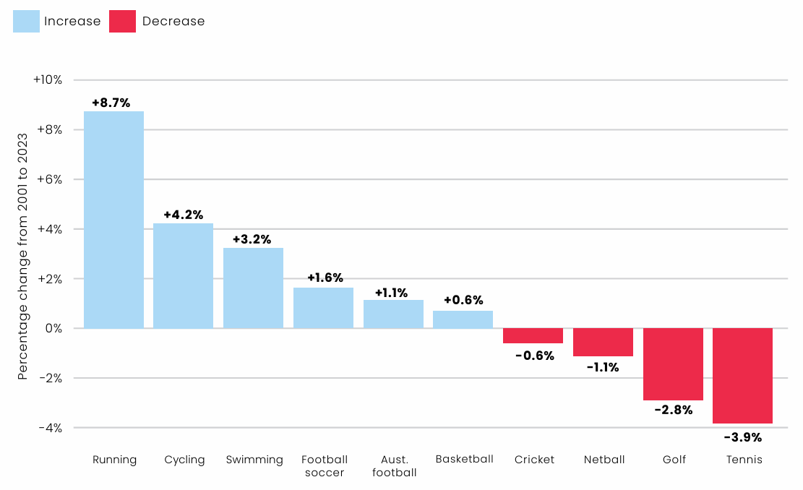

Fig.3
Figure 3. Indoor public sports facility provision per 100,000 residents by LGA

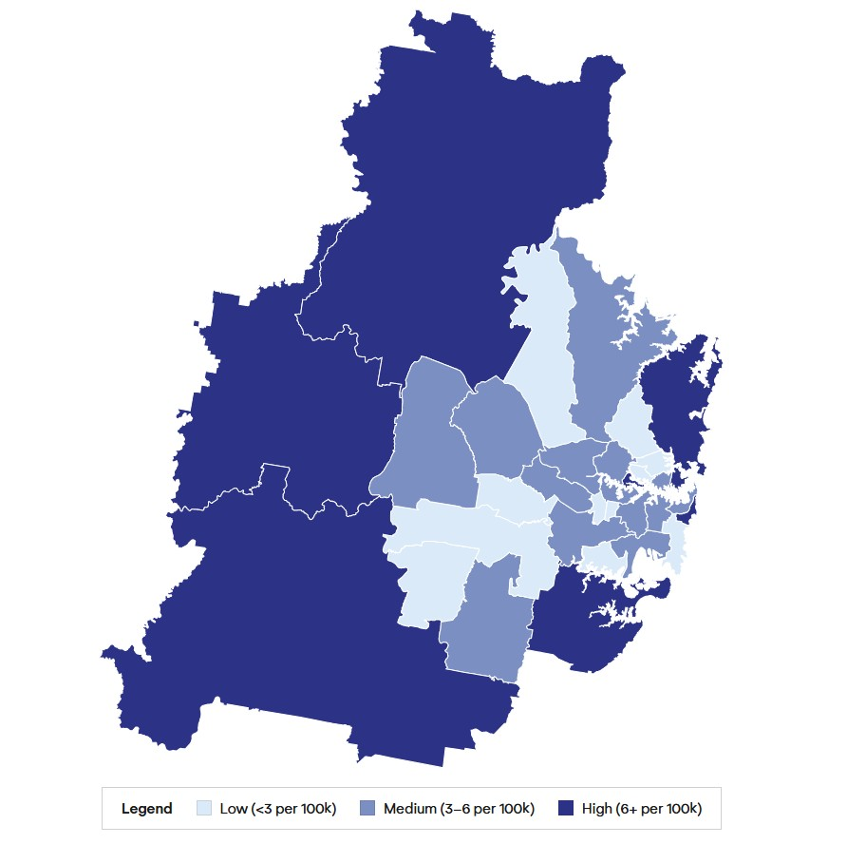
Local Government Area | 2025 population | Standardising to 100,000 residents | Indoor facilities | Indoor facility provision per 100,000 residents
Ku-ring-gai | 126,758 | 1.3 | 1 | 0.8
Willoughby | 78,473 | 0.8 | 1 | 1.3
Liverpool | 269,621 | 2.7 | 4 | 1.5
Georges River | 161,747 | 1.6 | 3 | 1.9
Strathfield | 51,268 | 0.5 | 1 | 2.0
Camden | 150,168 | 1.5 | 3 | 2.0
The Hills Shire | 232,495 | 2.3 | 5 | 2.2
Lane Cove | 44,981 | 0.4 | 1 | 2.2
Burwood | 44,268 | 0.4 | 1 | 2.3
Randwick | 147,920 | 1.5 | 4 | 2.7
Fairfield | 213,483 | 2.1 | 6 | 2.8
Blacktown | 450,524 | 4.5 | 14 | 3.1
Canada Bay | 92,381 | 0.9 | 3 | 3.2
Inner West | 193,895 | 1.9 | 7 | 3.6
Canterbury-Bankstown | 383,680 | 3.8 | 14 | 3.6
Sydney | 239,927 | 2.4 | 9 | 3.8
Bayside (NSW) | 185,901 | 1.9 | 7 | 3.8
North Sydney | 71,595 | 0.7 | 3 | 4.2
Penrith | 228,943 | 2.3 | 10 | 4.4
Hornsby | 154,397 | 1.5 | 7 | 4.5
Parramatta | 278,461 | 2.8 | 14 | 5.0
Woollahra | 57,124 | 0.6 | 3 | 5.3
Campbelltown (NSW) | 189,548 | 1.9 | 11 | 5.8
Ryde | 137,278 | 1.4 | 8 | 5.8
Cumberland | 256,326 | 2.6 | 15 | 5.9
Mosman | 28,680 | 0.3 | 2 | 7.0
Hawkesbury | 70,096 | 0.7 | 5 | 7.1
Hunters Hill | 13,679 | 0.1 | 1 | 7.3
Waverley | 73,202 | 0.7 | 6 | 8.2
Northern Beaches | 267,907 | 2.7 | 22 | 8.2
Sutherland Shire | 239,689 | 2.4 | 20 | 8.3
Blue Mountains | 78,980 | 0.8 | 7 | 8.9
Wollondilly | 62,759 | 0.6 | 7 | 11.2

Source
NSW Spatial Collaboration Portal, Features of Interest Category (Formerly known as Points of Interest)

Fig.4
Figure 4. Percentage of Indoor vs Outdoor public sports facilities in Greater Sydney

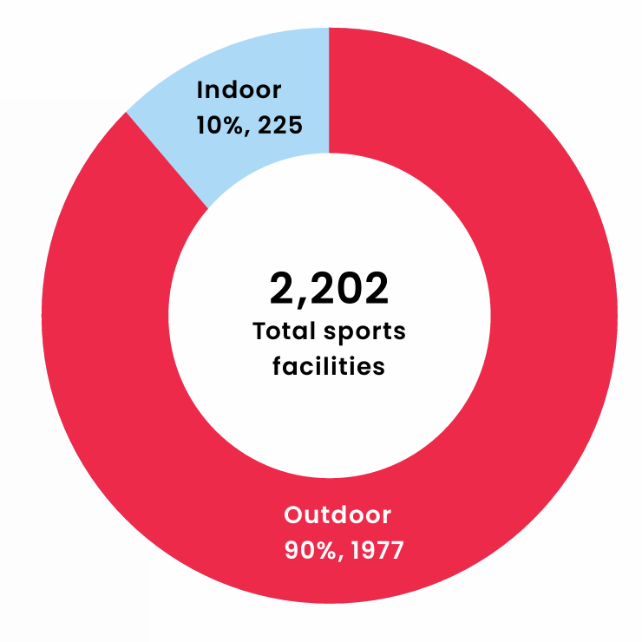
Local Government Area | Indoor | Outdoor
Bayside (NSW) | 7 | 33
Blacktown | 14 | 88
Blue Mountains | 7 | 64
Burwood | 1 | 10
Camden | 3 | 31
Campbelltown (NSW) | 11 | 131
Canada Bay | 3 | 31
Canterbury-Bankstown | 14 | 161
Cumberland | 15 | 110
Fairfield | 6 | 127
Georges River | 3 | 37
Hawkesbury | 5 | 35
Hornsby | 7 | 71
Hunters Hill | 1 | 11
Inner West | 7 | 75
Ku-ring-gai | 1 | 85
Lane Cove | 1 | 21
Liverpool | 4 | 48
Mosman | 2 | 13
North Sydney | 3 | 21
Northern Beaches | 22 | 104
Parramatta | 14 | 113
Penrith | 10 | 76
Randwick | 4 | 41
Ryde | 8 | 68
Strathfield | 1 | 20
Sutherland Shire | 20 | 111
Sydney | 9 | 41
The Hills Shire | 5 | 62
Waverley | 6 | 11
Willoughby | 1 | 63
Wollondilly | 7 | 43
Woollahra | 3 | 21
Greater Sydney level | 225 | 1977
 | 10% | 90%
 | % of indoor public sports facilities | % of outdoor public sports facilities

Source
NSW Spatial Collaboration Portal, Features of Interest Category (Formerly known as Points of Interest)

Fig.5 & Appendix 1
Figure 5 and Appendix 1. Public Sports Facility Provision by Local Government Area (2025)
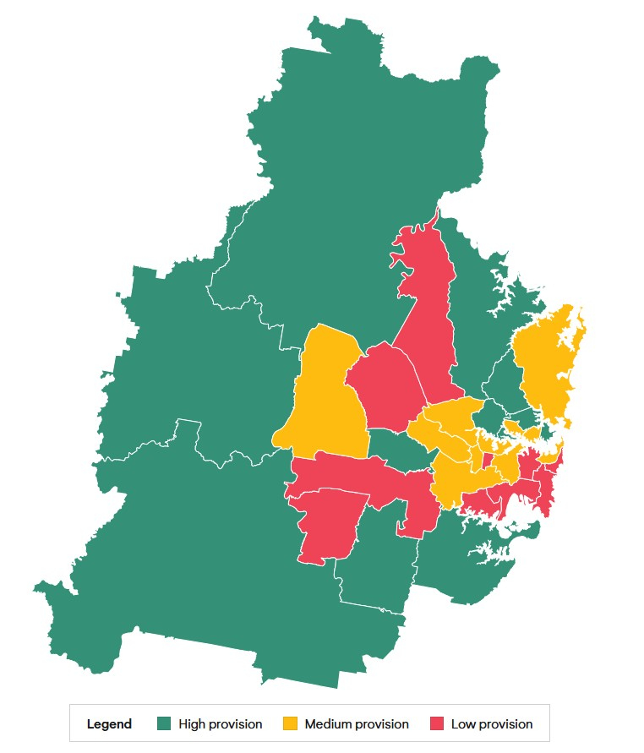
LGA | Population in year 2025 | Number of facility | Facility to resident ratio
Liverpool | 269,621 | 52 | 5,185
Sydney | 239,927 | 50 | 4,799
Bayside (NSW) | 185,901 | 40 | 4,648
Blacktown | 450,524 | 102 | 4,417
Camden | 150,168 | 34 | 4,417
Waverley | 73,202 | 17 | 4,306
Georges River | 161,747 | 40 | 4,044
Burwood | 44,268 | 11 | 4,024
The Hills Shire | 232,495 | 67 | 3,470
Randwick | 147,920 | 45 | 3,287
North Sydney | 71,595 | 24 | 2,983
Canada Bay | 92,381 | 34 | 2,717
Penrith | 228,943 | 86 | 2,662
Strathfield | 51,268 | 21 | 2,441
Woollahra | 57,124 | 24 | 2,380
Inner West | 193,895 | 82 | 2,365
Parramatta | 278,461 | 127 | 2,193
Canterbury-Bankstown | 383,680 | 175 | 2,192
Northern Beaches | 267,907 | 126 | 2,126
Cumberland | 256,326 | 125 | 2,051
Lane Cove | 44,981 | 22 | 2,045
Hornsby | 154,397 | 78 | 1,979
Mosman | 28,680 | 15 | 1,912
Sutherland Shire | 239,689 | 131 | 1,830
Ryde | 137,278 | 76 | 1,806
Hawkesbury | 70,096 | 40 | 1,752
Fairfield | 213,483 | 133 | 1,605
Ku-ring-gai | 126,758 | 86 | 1,474
Campbelltown (NSW) | 189,548 | 142 | 1,335
Wollondilly | 62,759 | 50 | 1,255
Willoughby | 78,473 | 64 | 1,226
Hunters Hill | 13,679 | 12 | 1,140
Blue Mountains | 78,980 | 71 | 1,112

Source
NSW Spatial Collaboration Portal, Features of Interest Category (Formerly known as Points of Interest)

Fig.6
Figure 6. Public Transport Accessibility Level (PTAL 1-6) of sports facility types in Greater Sydney
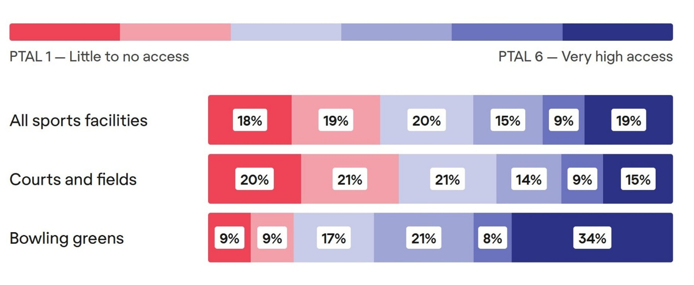
Public Transport Access Level (PTAL) | All sports facilities | Courts and Fields | Bowling Greens
1-Low | 18% | 20% | 9%
2-Low-Medium | 19% | 21% | 9%
3-Medium | 20% | 21% | 17%
4-Medium-High | 15% | 14% | 21%
5-High | 9% | 9% | 8%
6-Very High | 19% | 15% | 34%

Source
NSW Spatial Collaboration Portal, Features of Interest Category (Formerly known as Points of Interest)
Transport for NSW (2024). Public Transport Accessibility Level (2024 data, 4-5pm interval).
Movement and Place (2023). Public transport accessibility methodology.

Supplementary data: Average PTAL of LGAs in Greater Sydney

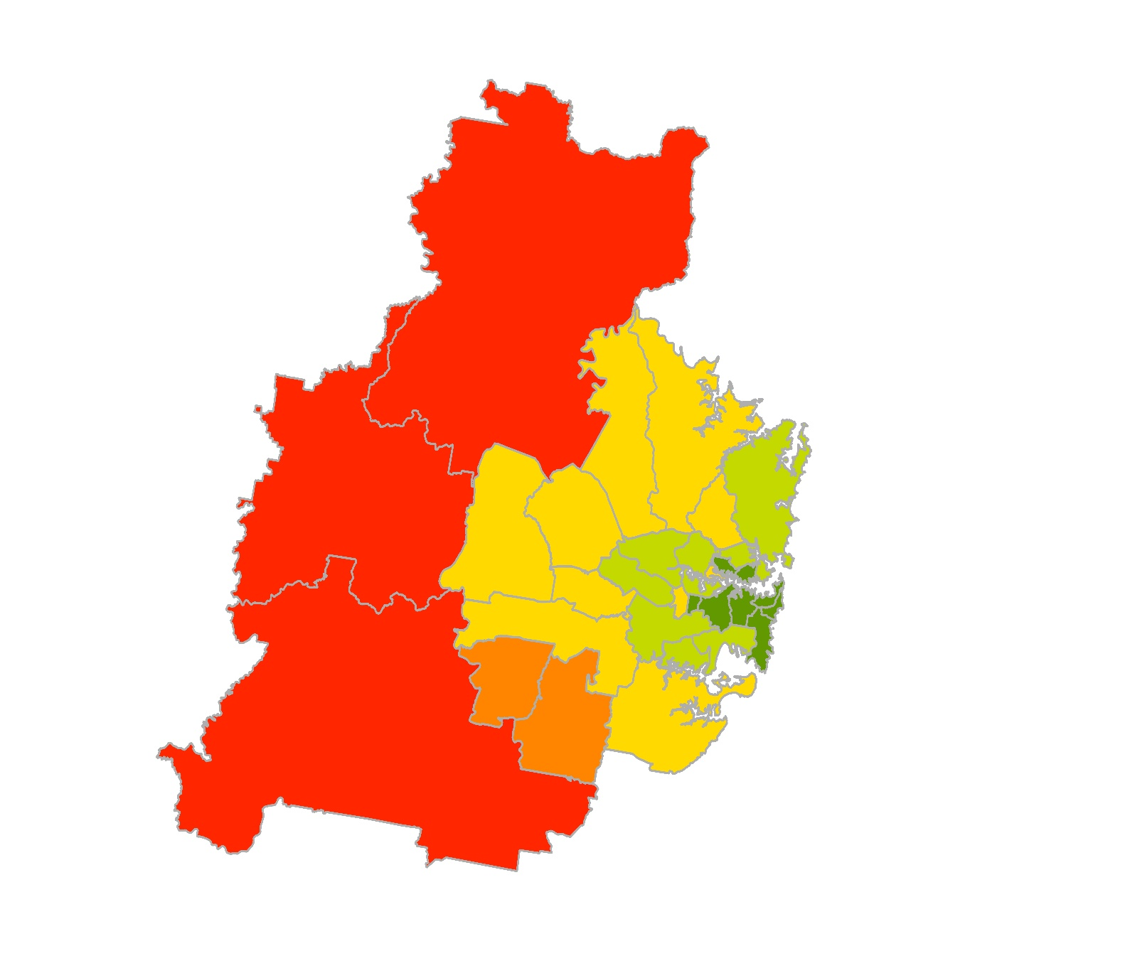
LGA | Average PTAL | PTAL Rating
Sydney | 5.8 | High
Randwick | 5.5
Waverley | 5.5
North Sydney | 5.4
Burwood | 5.3
Lane Cove | 5.2
Woollahra | 5.1
Inner West | 5.1
Mosman | 4.9
Canada Bay | 4.6 | Medium-High
Georges River | 4.5
Bayside | 4.5
Ryde | 4.4
Willoughby | 4.4
Cumberland | 4.2
Canterbury-Bankstown | 4.2
Parramatta | 4.1
Northern Beaches | 4.0
Hunters Hill | 3.9
Strathfield | 3.8
The Hills Shire | 3.5 | Medium
Fairfield | 3.5
Liverpool | 3.3
Hornsby | 3.3
Blacktown | 3.2
Ku-ring-gai | 3.1
Sutherland Shire | 3.0
Penrith | 3.0
Campbelltown | 2.6 | Low-Medium
Camden | 2.4
Hawkesbury | 1.9 | Low
Blue Mountains | 1.6
Wollondilly | 1.1

Fig.7
Figure 7. Distribution of participating public schools in the Share Our Space Program
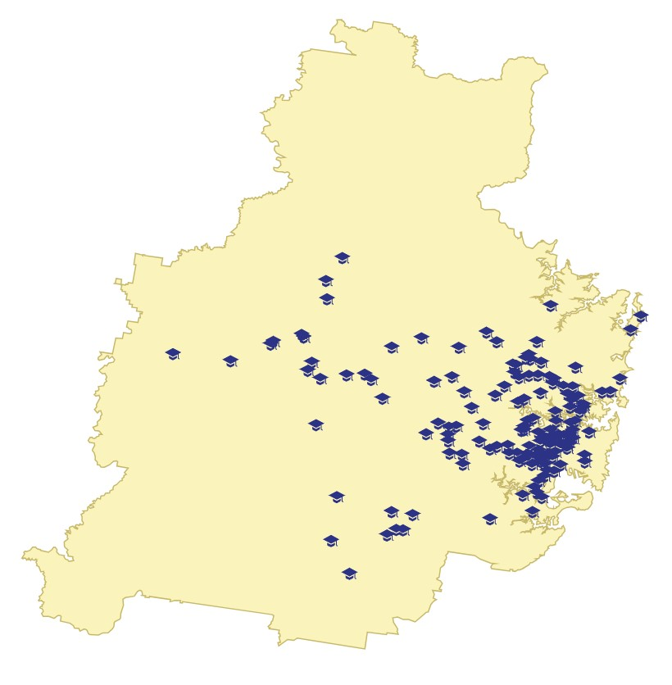
Participating public schools | School opening times
Annandale Public | Holidays and Term
Anzac Park Public | Holidays and Term
Arncliffe West Infants School | Holidays and Term
Artarmon Public | Holidays and Term
Ashbury Public | Holidays and Term
Asquith Public | Holidays and Term
Balmain Public | Holidays and Term
Bardwell Park Infants School | Holidays and Term
Barrenjoey High | Holidays and Term
Beaumont Hills Public | Holidays and Term
Belmore South Public | Holidays and Term
Beverly Hills North Public | Holidays and Term
Bexley North Public | Holidays and Term
Bexley Public | Holidays and Term
Blakehurst Public | Holidays and Term
Brighton-Le-Sands Public | Holidays and Term
Camdenville Public | Holidays and Term
Canterbury South Public | Holidays and Term
Carlton South Public | Holidays and Term
Chatswood Public | Holidays and Term
Clemton Park Public | Holidays and Term
Croydon Public | Holidays and Term
Curl Curl North Public | Holidays and Term
Dobroyd Point Public | Holidays and Term
Drummoyne Public | Holidays and Term
Dulwich Hill Public | Holidays and Term
Earlwood Public | Holidays and Term
Ferncourt Public | Holidays and Term
Gordon West Public | Holidays and Term
Greenwich Public | Holidays and Term
Hazelbrook Public | Holidays and Term | Source
Kambora Public | Holidays and Term | School Infrastructure (2025). Participating public schools in Share Our Space Program
Kogarah High | Holidays and Term
Kyeemagh Public | Holidays and Term
Lakemba Public | Holidays and Term
Lalor Park Public | Holidays and Term
Leichhardt Public | Holidays and Term
Lindfield Public | Holidays and Term
Manly West Public | Holidays and Term
Marie Bashir Public | Holidays and Term
McCallums Hill Public | Holidays and Term
Mortlake Public | Holidays and Term
Newport Public | Holidays and Term
Newtown Public | Holidays and Term
Normanhurst West Public | Holidays and Term
North Sydney Public | Holidays and Term
Roseville Public | Holidays and Term
Seaforth Public | Holidays and Term
St Peters Public | Holidays and Term
Strathfield Girls High | Holidays and Term
Sydney Secondary College Blackwattle Bay Campus | Holidays and Term
Taverners Hill Infants School | Holidays and Term
Undercliffe Public | Holidays and Term
Wattawa Heights Public | Holidays and Term
Werrington Public | Holidays and Term
Willoughby Public | Holidays and Term
Yagoona Public | Holidays and Term
Airds High | Holidays only
Ashfield Public | Holidays only
Bald Face Public | Holidays only
Banksia Road Public | Holidays only
Bass High | Holidays only
Beaumont Road Public | Holidays only
Beecroft Public | Holidays only
Blacktown West Public | Holidays only
Blackwell Public | Holidays only
Blairmount Public | Holidays only
Blaxland East Public | Holidays only
Bradbury Public | Holidays only
Cabramatta West Public | Holidays only
Cammeray Public | Holidays only
Canley Heights Public | Holidays only
Casuarina School | Holidays only
Cawdor Public | Holidays only
Cobbitty Public | Holidays only
Comleroy Road Public | Holidays only
Darlinghurst Public | Holidays only
Darlington Public | Holidays only
Douglas Park Public | Holidays only
Dural Public | Holidays only
Eastlakes Public | Holidays only
Edensor Park Public | Holidays only
Engadine Public | Holidays only
Epping Heights Public | Holidays only
Epping North Public | Holidays only
Fairfield Heights Public | Holidays only
Fairfield West Public | Holidays only
Faulconbridge Public | Holidays only
Forest Lodge Public | Holidays only
Fort Street High | Holidays only
Granville South Creative and Performing Arts High | Holidays only
Grose View Public | Holidays only
Hammondville Public | Holidays only
Harcourt Public | Holidays only
Hilltop Road Public | Holidays only
Homebush Public | Holidays only
Hornsby South Public | Holidays only
Hunters Hill Public | Holidays only
James Ruse Agricultural High | Holidays only
Kareela Public | Holidays only
Kegworth Public | Holidays only
Kenthurst Public | Holidays only
KIllara Public | Holidays only
Kingsgrove Public (K-2 Infants School) | Holidays only
Kurrajong Public | Holidays only
Kurrambee School | Holidays only
Leonay Public | Holidays only
Leumeah High | Holidays only
Leura Public | Holidays only
Liverpool Public | Holidays only
Marrickville Public | Holidays only
Mary Brooksbank School | Holidays only
Melonba High | Holidays only
Melonba High School | Holidays only
Melrose Park Public | Holidays only
Mount Riverview Public | Holidays only
Newbridge Heights Public | Holidays only
Newtown North Public | Holidays only
Nicholson Street Public | Holidays only
Normanhurst Public | Holidays only
North Ryde Public | Holidays only
Oatlands Public | Holidays only
Pagewood Public | Holidays only
Pennant Hills High | Holidays only
Pennant Hills Public | Holidays only
Penrith High | Holidays only
Prairiewood High | Holidays only
Punchbowl Boys High | Holidays only
Springwood High | Holidays only
Strathfield North Public | Holidays only
Summer Hill Public | Holidays only
Sylvania Public | Holidays only
Taren Point Public | Holidays only
Toongabbie West Public | Holidays only
Turramurra High | Holidays only
Wallacia Public | Holidays only
Warrawee Public | Holidays only
West Ryde Public | Holidays only
Wideview Public | Holidays only
Winmalee High | Holidays only
Winmalee Public | Holidays only
Yowie Bay Public | Holidays only

Fig.8
Figure 8. Population growth and overseas migration by local government area (2025 baseline projection to 2041)
Cumulative growth, Growth rate, and cumulative overseas migration.
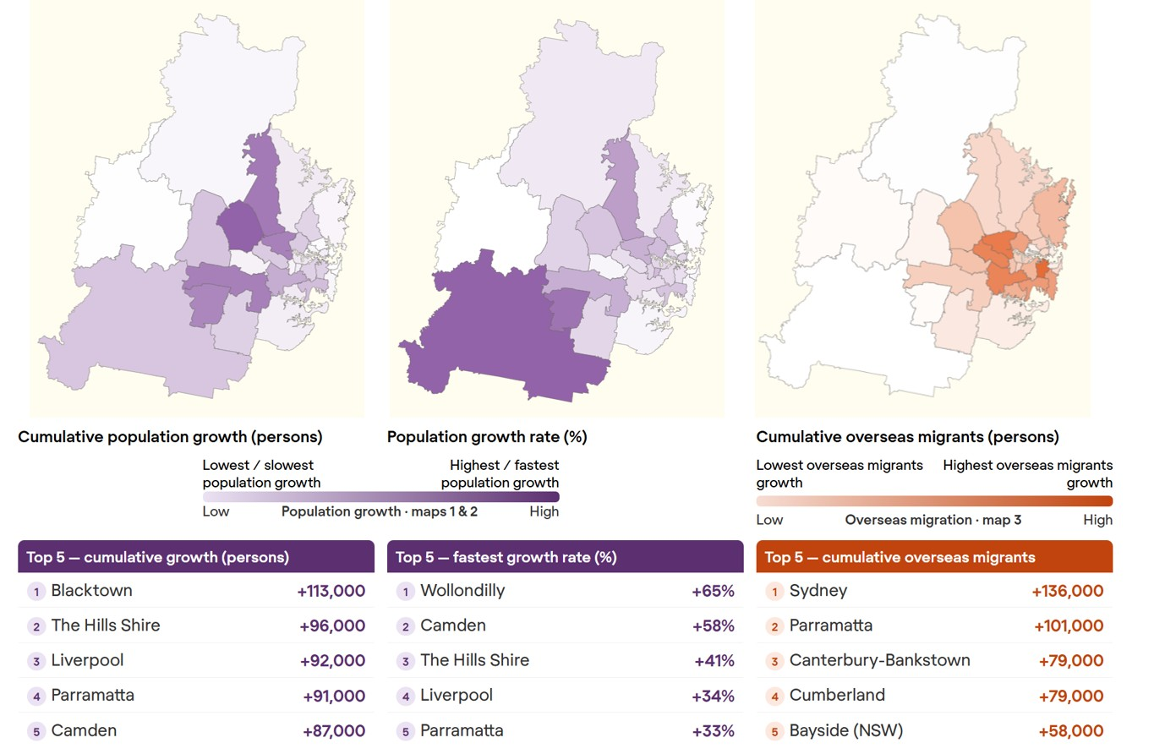
Local Government Area | Population Growth rate (%) | Cumulative population growth | Local Government Area | Cumulative overseas migration
Blacktown | 25% | 112,826 | Sydney | 136,080
The Hills Shire | 41% | 96,140 | Parramatta | 101,191
Liverpool | 34% | 92,066 | Canterbury-Bankstown | 79,224
Parramatta | 33% | 91,055 | Cumberland | 79,015
Camden | 58% | 87,034 | Bayside (NSW) | 58,462
Canterbury-Bankstown | 16% | 60,326 | Randwick | 56,340
Bayside (NSW) | 25% | 47,367 | Ryde | 53,608
Penrith | 19% | 42,575 | Georges River | 44,961
Wollondilly | 65% | 41,050 | Inner West | 42,688
Cumberland | 15% | 38,702 | Northern Beaches | 40,423
Ryde | 28% | 38,581 | Fairfield | 35,806
Sydney | 14% | 34,471 | Blacktown | 35,488
Campbelltown (NSW) | 18% | 33,794 | Strathfield | 34,158
Inner West | 17% | 32,589 | Ku-ring-gai | 28,701
Ku-ring-gai | 25% | 31,568 | Liverpool | 27,912
Canada Bay | 18% | 16,932 | Canada Bay | 27,080
Hornsby | 10% | 15,356 | Burwood | 26,795
Georges River | 9% | 15,215 | Willoughby | 25,860
Burwood | 29% | 13,046 | The Hills Shire | 23,043
North Sydney | 18% | 12,551 | Hornsby | 22,656
Sutherland Shire | 5% | 12,416 | Waverley | 21,557
Fairfield | 5% | 10,154 | North Sydney | 21,200
Strathfield | 19% | 9,629 | Campbelltown (NSW) | 13,557
Northern Beaches | 3% | 7,939 | Mosman | 10,940
Lane Cove | 17% | 7,617 | Woollahra | 10,539
Hawkesbury | 10% | 7,074 | Sutherland Shire | 10,518
Randwick | 5% | 6,825 | Lane Cove | 7,971
Waverley | 5% | 3,686 | Penrith | 7,166
Willoughby | 4% | 3,383 | Camden | 2,864
Woollahra | 3% | 1,546 | Blue Mountains | 2,838
Blue Mountains | 1% | 642 | Hunters Hill | 1,064
Mosman | 2% | 588 | Hawkesbury | 906
Hunters Hill | 2% | 250 | Wollondilly | 480

Source
Planning NSW (2024). Population projections.

Fig.9 & Appendix 2
Figure 9 and Appendix 2. Land value growth rates by local government area (2015 to 2025)

Source
Excerpt of table "Land values (1996 to present)" - Greater Sydney LGAs only.
https://www.valuergeneral.nsw.gov.au/land_value_summaries/historical_values.php
Methodology
The Valuer General uses land values of benchmark properties, which could be updated overtime.
This analysis takes an average of the benchmark properties published, including all land types listed (Residential, commerical, industrial and rural)
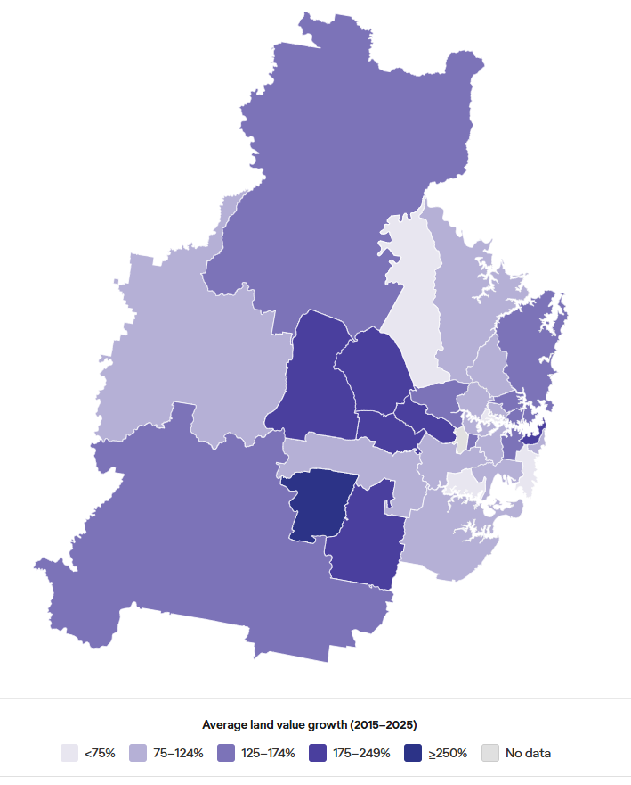
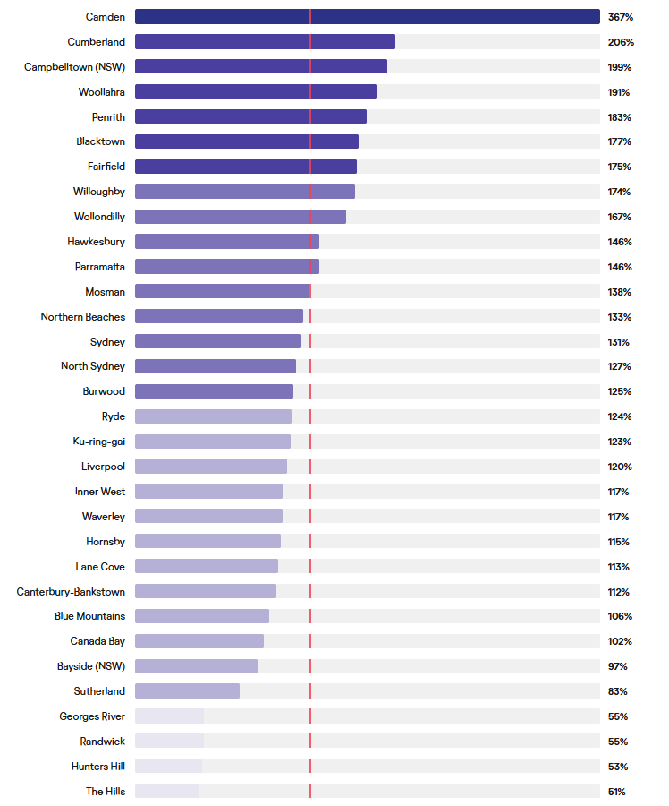
LGA | Average of % change 2015-2025
Camden | 367%
Cumberland | 206%
Campbelltown (NSW) | 199%
Woollahra | 191%
Penrith | 183%
Blacktown | 177%
Fairfield | 175%
Willoughby | 174%
Wollondilly | 167%
Parramatta | 146%
Hawkesbury | 146%
Mosman | 138%
Northern Beaches | 133%
Sydney | 131%
North Sydney | 127%
Burwood | 125%
Ryde | 124%
Ku-ring-gai | 123%
Liverpool | 120%
Inner West | 117%
Waverley | 117%
Hornsby | 115%
Lane Cove | 113%
Canterbury-Bankstown | 112%
Blue Mountains | 106%
Canada Bay | 102%
Bayside (NSW) | 97%
Sutherland | 83%
Randwick | 55%
Georges River | 55%
Hunters Hill | 53%
The Hills | 51%

Raw data - Greater Sydney excerpt
Type | Street and Suburb | Area | Postcode | LGA | Area Type | Area2 | 1996 ($) | 1997 ($) | 1998 ($) | 1999 ($) | 2000 ($) | 2001 ($) | 2002 ($) | 2003 ($) | 2004 ($) | 2005 ($) | 2006 ($) | 2007 ($) | 2008 ($) | 2009 ($) | 2010 ($) | 2011 ($) | 2012 ($) | 2013 ($) | 2014 ($) | 2015 ($) | 2016 ($) | 2017 ($) | 2018 ($) | 2019 ($) | 2020 ($) | 2021 ($) | 2022 ($) | 2023 ($) | 2024 ($) | 2025 ($) | % change 24-25 | % change 2015-2025
Residential sites - Sydney area | Coward St | Rosebery | 2018 | Bayside (NSW) | Dimensions (Metres) | 13 x 27 | 161,000 | 189,000 | 200,000 | 216,000 | 218,000 | 240,000 | 260,000 | 284,000 | 310,000 | 400,000 | 400,000 | 420,000 | 450,000 | 450,000 | 535,000 | 591,000 | 577,000 | 634,000 | 739,000 | 950,000 | 1,080,000 | 1,350,000 | 1,210,000 | 1,050,000 | 1,020,000 | 1,350,000 | 1,490,000 | 1,490,000 | 1,620,000 | 1,640,000 | 1% | 73%
Small industrial sites - Sydney, Newcastle, Wollongong | Luland St | Botany | 2019 | Bayside (NSW) | Area (Square Metres) | 2,217 | 123,000 | 128,000 | 134,000 | 142,000 | 165,000 | 171,000 | 188,000 | 215,000 | 231,000 | 327,000 | 491,000 | 225,000 | 335,000 | 410,000 | 416,000 | 458,000 | 458,000 | 1,000,000 | 1,040,000 | 2,070,000 | 2,070,000 | 2,230,000 | 2,230,000 | 2,380,000 | 2,610,000 | 3,110,000 | 3,970,000 | 4,200,000 | 4,620,000 | 4,580,000 | -1% | 121%
Small industrial sites - Sydney, Newcastle, Wollongong | Sunnyholt Rd | Blacktown | 2148 | Blacktown | Area (Square Metres) | 2,415 | 181,000 |  |  |  |  | 728,000 | 728,000 | 950,000 | 1,150,000 | 1,250,000 | 1,325,000 | 1,420,000 | 925,000 | 879,000 | 897,000 | 892,000 | 803,000 | 760,000 | 796,000 | 818,000 | 882,000 | 1,000,000 | 1,040,000 | 1,110,000 | 1,160,000 | 1,330,000 | 2,500,000 | 3,750,000 | 3,760,000 | 3,910,000 | 4% | 378%
Residential sites - Sydney area | Polonia Ave | Plumpton | 2761 | Blacktown | Dimensions (Metres) | 16 x 36 | 55,000 | 60,500 | 69,500 | 79,900 | 95,800 | 100,000 | 110,000 | 138,000 | 166,000 | 166,000 | 158,000 | 149,000 | 159,000 | 159,000 | 165,000 | 175,000 | 180,000 | 195,000 | 220,000 | 325,000 | 340,000 | 390,000 | 400,000 | 362,800 | 380,000 | 421,000 | 513,000 | 515,000 | 630,000 | 650,000 | 3% | 100%
Hobby farms and home sites - Sydney area | Mark Rd | Nelson | 2765 | Blacktown | Area (Hectares) | 2.1 | 192,000 | 230,000 | 264,000 | 363,000 | 363,000 | 385,000 | 460,000 | 550,000 | 660,000 | 750,000 | 750,000 | 794,000 | 750,000 | 770,000 | 678,000 | 678,000 | 793,000 | 793,000 | 941,000 | 1,080,000 | 1,300,000 | 1,880,000 | 2,000,000 | 2,200,000 | 2,310,000 | 2,470,000 | 3,500,000 | 3,500,000 | 3,800,000 | 3,660,000 | -4% | 239%
Residential sites - Sydney area | Aspinall Ave | Minchinbury | 2770 | Blacktown | Dimensions (Metres) | 19 x 33 | 78,600 | 86,400 | 95,000 | 114,000 | 119,000 | 130,000 | 144,000 | 180,000 | 205,000 | 204,000 | 205,000 | 200,000 | 200,000 | 200,000 | 215,000 | 220,000 | 225,000 | 230,000 | 255,000 | 355,000 | 355,000 | 390,000 | 420,000 | 390,000 | 420,000 | 510,000 | 601,000 | 600,000 | 690,000 | 800,000 | 16% | 125%
Commercial sites - Sydney, Newcastle, Wollongong | Willis St | Rooty Hill | 2766 | Blacktown | Frontage (Metres) |  | 35,000 | 35,000 | 38,500 | 44,200 | 48,600 | 48,600 | 51,000 | 59,000 | 59,000 | 59,000 | 59,000 | 59,000 | 59,000 | 59,000 | 66,400 | 66,400 | 66,400 | 69,900 | 69,900 | 75,000 | 82,500 | 82,500 | 82,500 | 82,500 | 82,500 | 101,000 | 104,000 | 104,000 | 106,000 | 107,000 | 1% | 43%
Residential sites - Sydney area | Robertswood Ave | Blaxland | 2774 | Blue Mountains | Dimensions (Metres) | 19 x 37 | 85,000 | 102,000 | 112,000 | 140,000 | 168,000 | 168,000 | 201,000 | 241,000 | 257,000 | 257,000 | 257,000 | 252,000 | 252,000 | 252,000 | 252,000 | 252,000 | 252,000 | 257,000 | 283,000 | 311,000 | 326,000 | 388,000 | 426,000 | 392,000 | 392,000 | 441,000 | 568,000 | 588,000 | 628,000 | 628,000 | 0% | 102%
...

Fig.10
Figure 10. Heat exposure index and land surface temperature data mapped by outdoor public sports facilities (courts and fields)

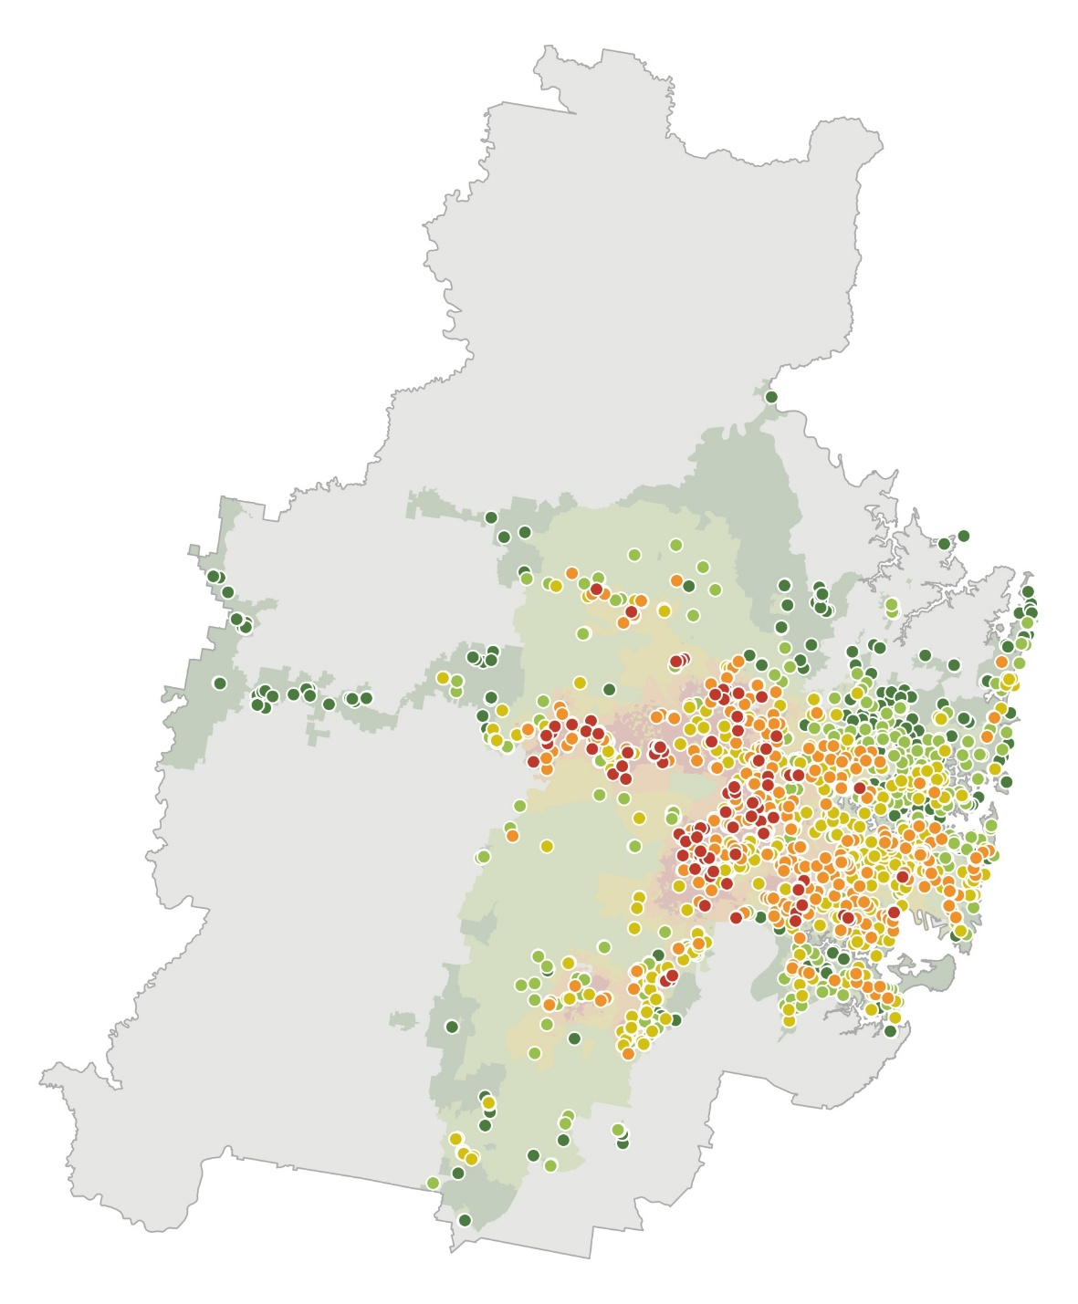
Heat exposure |  | Total number of courts and fields | Percentage of courts and fields
 | 1 - Very low exposure | 195 | 15%
 | LST 22°C – 31°C
 | 2 - Low exposure | 292 | 23%
 | LST 31°C – 34°C
 | 3 - Medium exposure | 359 | 28%
 | LST 34°C - 36°C
 | 4 - High exposure | 319 | 25%
 | LST 36°C – 38°C
 | 5 - Very high exposure | 110 | 9%
 | LST 38°C – 43°C
Areas in grey: No heat exposure data available

Fig.12
...
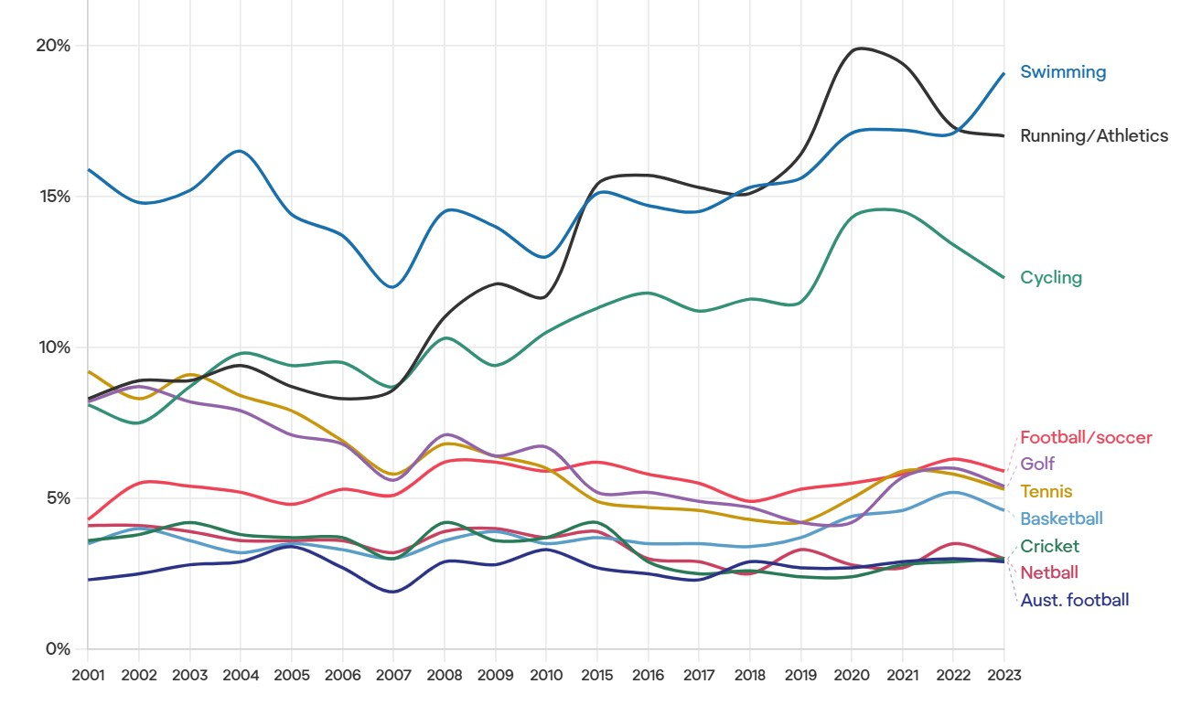
...
2018 | 2019 | 2020 | 2021 | 2022 | 2023
3% | 3% | 3% | 3% | 3% | 3%
3% | 4% | 4% | 5% | 5% | 5%
3% | 2% | 2% | 3% | 3% | 3%
12% | 12% | 14% | 15% | 13% | 12%
5% | 5% | 6% | 6% | 6% | 6%
5% | 4% | 4% | 6% | 6% | 5%
3% | 3% | 3% | 3% | 4% | 3%
15% | 16% | 20% | 19% | 17% | 17%
15% | 16% | 17% | 17% | 17% | 19%
4% | 4% | 5% | 6% | 6% | 5%
...

Fig.14
Figure 14. Percentage of adults and children meeting physical activity guidelines in NSW (2005 - 2023)

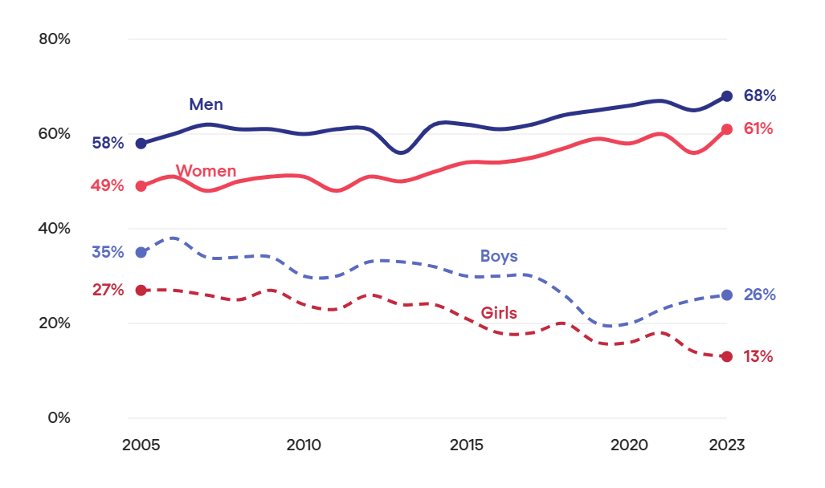
Year | Boys | Girls | Men | Women
2005 | 35% | 27% | 58% | 49%
2006 | 38% | 27% | 60% | 51%
2007 | 34% | 26% | 62% | 48%
2008 | 34% | 25% | 61% | 50%
2009 | 34% | 27% | 61% | 51%
2010 | 30% | 24% | 60% | 51%
2011 | 30% | 23% | 61% | 48%
2012 | 33% | 26% | 61% | 51%
2013 | 33% | 24% | 56% | 50%
2014 | 32% | 24% | 62% | 52%
2015 | 30% | 21% | 62% | 54%
2016 | 30% | 18% | 61% | 54%
2017 | 30% | 18% | 62% | 55%
2018 | 26% | 20% | 64% | 57%
2019 | 20% | 16% | 65% | 59%
2020 | 20% | 16% | 66% | 58%
2021 | 23% | 18% | 67% | 60%
2022 | 25% | 14% | 65% | 56%
2023 | 26% | 13% | 68% | 61%

Notes on physical activity guidelines:
Guideline for children: one hour or more of vigorous or moderate physical activity each day
Guideline for adults: at least 150 minutes of moderate or vigorous activity in a week

Source
NSW Government - Health Stats NSW. (2025, May). Longitudinal data (2005 to 2023) on Physical activity in children (girls vs boys), benchmarked to guidelines.
NSW Government - Health Stats NSW. (2025, May). Longitudinal data (2005 to 2023) on Physical activity in adults (women vs men), benchmarked to guidelines.

Fig.15
Figure 15. Data trends on physical activity, screen time and obesity rates of children aged 5 to 17 in NSW

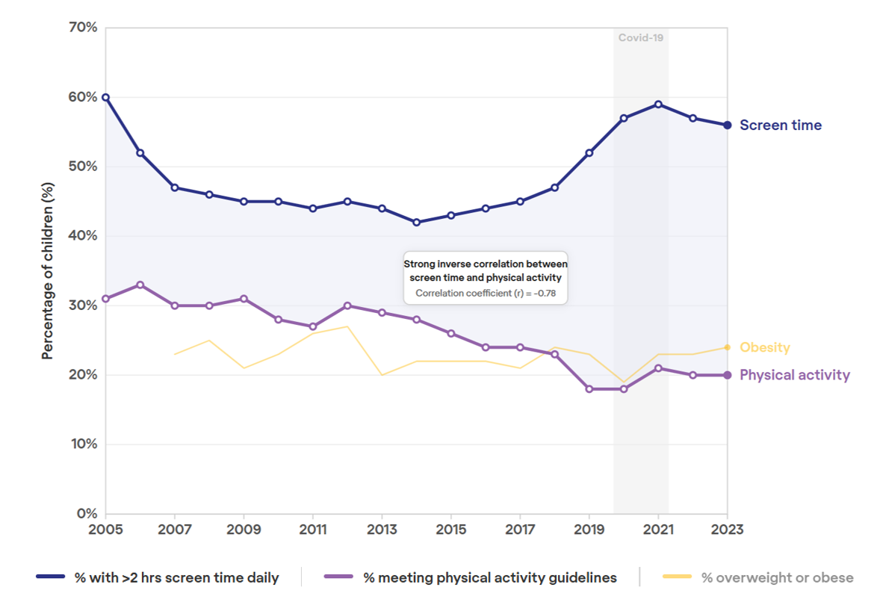
Period | % Overweight and obese | % More than 2 hours of screentime | % meets physical activity guidelines
2005 |  | 60% | 31%
2006 |  | 52% | 33%
2007 | 23% | 47% | 30%
2008 | 25% | 46% | 30%
2009 | 21% | 45% | 31%
2010 | 23% | 45% | 28%
2011 | 26% | 44% | 27%
2012 | 27% | 45% | 30%
2013 | 20% | 44% | 29%
2014 | 22% | 42% | 28%
2015 | 22% | 43% | 26%
2016 | 22% | 44% | 24%
2017 | 21% | 45% | 24%
2018 | 24% | 47% | 23%
2019 | 23% | 52% | 18%
2020 | 19% | 57% | 18%
2021 | 23% | 59% | 21%
2022 | 23% | 57% | 20%
2023 | 24% | 56% | 20%

Source
Health Stats NSW — physical activity, screen time and weight status for children, NSW 2005–2023.

Fig.20
...
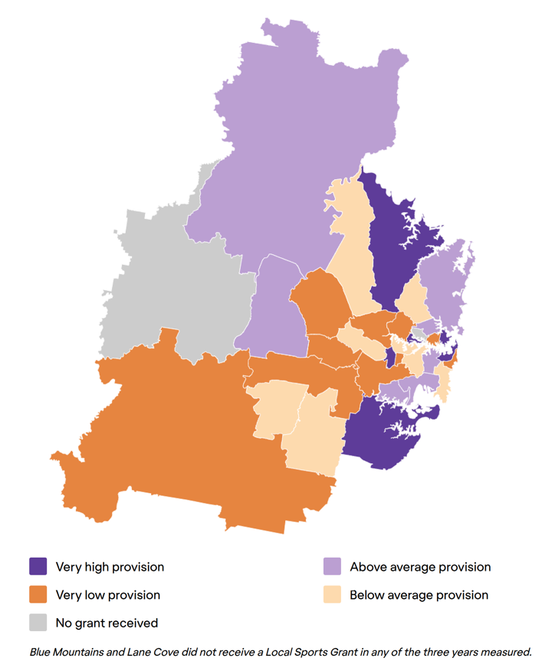
...
 | Provision
2025 pop | LGA_provision | 2023_prov | 2024_prov | 2025_prov | Avg_prov
185,901 | Bayside (NSW) | $0.38 | $0.57 | $0.39 | $0.45
450,524 | Blacktown | $0.31 | $0.37 | $0.38 | $0.36
44,268 | Burwood | $0.36 | $0.09 | $0.11 | $0.18
150,168 | Camden | $0.35 | $0.47 | $0.46 | $0.43
189,548 | Campbelltown (NSW) | $0.25 | $0.49 | $0.53 | $0.42
92,381 | Canada Bay | $0.39 | $0.37 | $0.54 | $0.43
383,680 | Canterbury-Bankstown | $0.31 | $0.44 | $0.44 | $0.39
256,326 | Cumberland | $0.36 | $0.54 | $0.43 | $0.44
213,483 | Fairfield | $0.14 | $0.50 | $0.41 | $0.35
161,747 | Georges River | $0.37 | $0.59 | $0.53 | $0.50
70,096 | Hawkesbury | $0.30 | $0.52 | $0.71 | $0.51
154,397 | Hornsby | $0.60 | $0.72 | $0.76 | $0.69
13,679 | Hunters Hill | $- | $1.41 | $1.46 | $1.43
193,895 | Inner West | $0.26 | $0.60 | $0.45 | $0.44
126,758 | Ku-ring-gai | $0.30 | $0.47 | $0.45 | $0.40
269,621 | Liverpool | $0.34 | $0.27 | $0.38 | $0.33
28,680 | Mosman | $0.95 | $1.00 | $1.28 | $1.08
71,595 | North Sydney | $- | $- | $0.39 | $0.39
267,907 | Northern Beaches | $0.43 | $0.57 | $0.54 | $0.51
278,461 | Parramatta | $0.15 | $0.31 | $0.27 | $0.24
228,943 | Penrith | $0.31 | $0.53 | $0.55 | $0.46
147,920 | Randwick | $0.42 | $0.30 | $0.52 | $0.41
137,278 | Ryde | $0.38 | $0.36 | $0.42 | $0.39
51,268 | Strathfield | $0.47 | $0.60 | $0.59 | $0.55
239,689 | Sutherland Shire | $0.53 | $0.70 | $0.58 | $0.60
239,927 | Sydney | $0.36 | $0.48 | $0.52 | $0.45
232,495 | The Hills Shire | $0.43 | $0.46 | $0.43 | $0.44
73,202 | Waverley | $0.11 | $0.40 | $0.41 | $0.30
78,473 | Willoughby | $0.53 | $0.64 | $0.34 | $0.50
62,759 | Wollondilly | $0.44 | $0.51 | $0.19 | $0.38
57,124 | Woollahra | $0.79 | $0.85 | $0.70 | $0.78
...

Fig.21
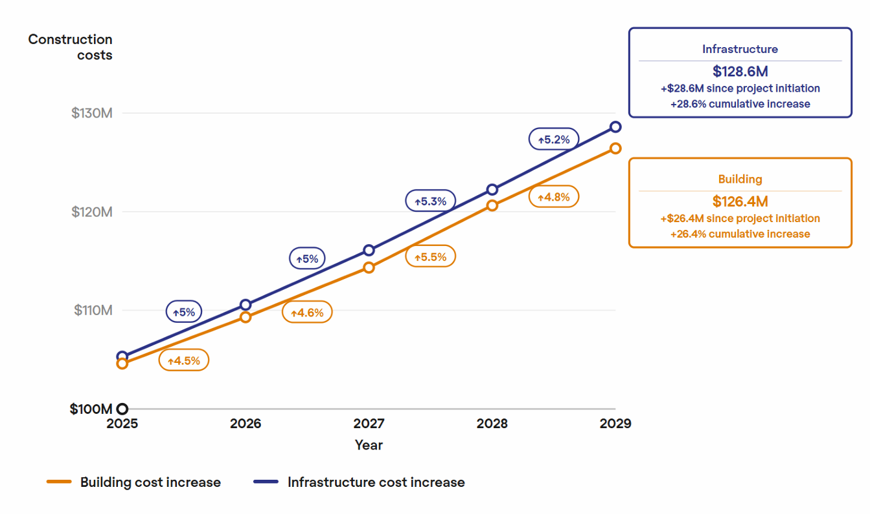
Figure 21. Infrastructure and construction costs
Graph is modelled from this set of data, assuming a baseline cost of $100 million

Cost escalation | 2025 | 2026 | 2027 | 2028
Building | 4.6% | 4.5% | 4.6% | 5.5%
Infrastructure | 5.3% | 5.0% | 5.0% | 5.3%

Source
WT - Australian Construction Market Conditions Report (November 2025)
Sydney specific data on page 12

Appendix 3
Appendix 3. Barriers to participating in sports for adults and children (AusPlay Survey 2025)
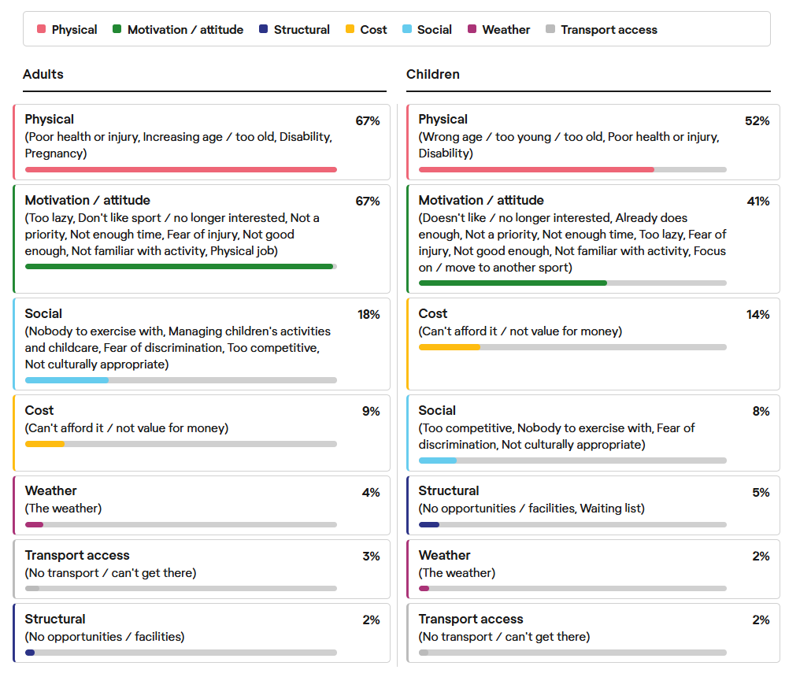
Barriers for Adults | % of adults surveyed | Barriers for Children | % of children surveyed
Poor health or injury | 27% | Wrong age/too old/too young | 46%
Increasing age/ too old | 25% | Doesn't like physical activity | 8%
Disability | 14% | Can't afford it/ can't afford transport | 9%
Too lazy | 15% | Already does enough | 7%
Not enough time/ too many other commitments | 11% | Not a priority | 6%
Don’t like sport/physical activity | 11% | Not enough time/ too many other commitments | 6%
Not a priority | 12% | Too lazy | 5%
Nobody to do it with | 7% | Disability | 2%
Can't afford it | 6% | Poor health or injury | 4%
Fear of injury | 6% | Not value for money/not worth it | 5%
Physical job | 5% | No opportunities/ facilities/clubs in my areas | 3%
The weather | 4% | No longer interested | 1%
Not good enough | 4% | Fear of injury | 3%
Too busy doing children's activities | 3% | Waiting list | 2%
Looking after child/ren | 3% | The weather | 2%
Not value for money/not worth it | 3% | Nobody to do it with | 2%
No transport/ can't get there | 3% | Not familiar with activity/rules | 3%
No opportunities/ facilities/clubs in my areas | 2% | No transport/can't get there | 2%
Too competitive | 2% | Too competitve | 3%
Fear of discrimination | 2% | Not good enough | 2%
Not familiar with activity/rules | 1% | Fear of discrimination | 2%
Pregnancy | 1% | Not culturally appropriate | 1%
No longer interested/ don't like it | 1% | Focus on or move to a different activity/sport | 1%
Not culturally appropriate | 1%

Source
AusPlay survey results for NSW July 2024 -June 2025, excerpt from tables 12 and 13

Appendix 4
...
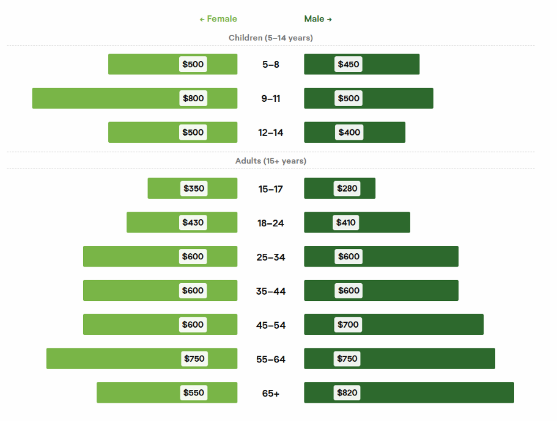
Female % participants | Female median expenditure ($) | Female mean expenditure ($) | Male % participants | Male median expenditure ($) | Male mean expenditure ($)
70% | $500 | $861 | 82% | $450 | $873
76% | $800 | $1,214 | 73% | $500 | $865
70% | $500 | $1,450 | 75% | $400 | $1,730
71% | $510 | $1,111 | 76% | $450 | $1,016
50% | $350 | $1,067 | 58% | $280 | $1,632
57% | $430 | $1,103 | 63% | $410 | $1,034
62% | $600 | $1,211 | 63% | $600 | $1,580
54% | $600 | $1,454 | 60% | $600 | $3,020
47% | $600 | $1,301 | 54% | $700 | $1,685
43% | $750 | $1,575 | 49% | $750 | $2,745
38% | $550 | $999 | 45% | $820 | $1,750
50% | $554 | $1,262 | 56% | $600 | $1,958
...

